Truss Bearing
 |  | Truss Span Bearing Examination - Inventory Form |  |  |  |  |  | ETE0901F-01
Corridor |  |  |  |  | Truss Span Drawings
Equipment Reference |  |  |  |  | Age of bearing (years)
Asset ID |  |  |  |  | Span No.
Line |  |  |  |  | Abutment / Pier No.
Kilometrage |  |  |  |  | Bearing Number
Equipment Description |  |  |  |  | Bearing Type |  | Expansion (Rocker/Roller) / Fixed
Structure Configuration |  |  |  |  | Bearing Plate Material |  | Cast Iron Steel / Mild Steel
Inspector |  |  |  |  | Signature & Date |  |  |  | ____ / ____/ ____
Reviewed by |  |  |  |  | Signature & Date |  |  |  | ____ / ____/ ____
(Form to be registered separately for each underbridge on the ARTC Asset Management System)
Bearing Layout
 | B1 | Truss Span Plan View showing location of bearings |  |  |  |  | B3
 | Abutment 1 End |  |  |  |  |  | Abutment 2 End
 | B2 |  |  |  |  |  | B4

Bearing Orientation
 |  |  |  | Side 2
 |  |  |  | Bearing
 | Abutment 1 End |  | Side 1 |  | Side 3 | Abutment 2 End

 |  |  |  | Side 4

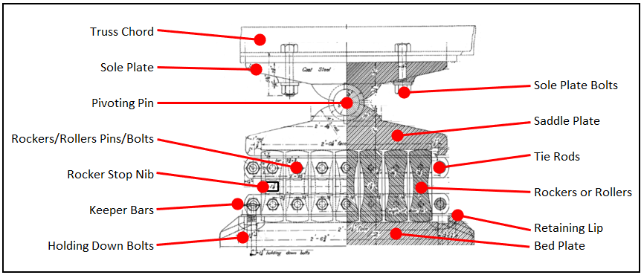
Nomenclature

Side Views of Bearing

Side 1 |  |  |  |  | Side 2

Side 3 |  |  |  |  | Side 4

