Rolling calcs
ESI0605T-01 Calculation of Wagon Rolling on Multiple Grades |  |  |  |  | Version 1.0 December 2016

 | Inputs |  |  |  |  | Inputs required
 |  |  | Grade | Length (m) |  | Enter data in green cells only
 | Enter Grade 1 - 2 |  | 300 | 500 |  | Grades | Enter grades as a ratio e.g. for 1:250, enter 250 Use + for downhill grades in the direction of travel. Use - for uphill grades in the direction of travel. Use 100000 for level grades Note: First grade must be +, subsequent grades can be + or -
 | Enter Grade 2 - 3 |  | 100000 | 400
 | Enter Grade 3 - 4 |  | -500 | 1000
 | Enter Grade 4 - 5 |  | 0 | 0
 | Track Description |  | good |  |  | Grade length | Enter each grade length in metres
 | Initial Speed (kph) |  | 0 |  |  | Track Description | Good = straight geometry, clean rails, good gauge Fair = reasonable alignment and gauge, rusty rails Poor = poor geometry and gauge, rusty rails, joints

 |  |  |  |  |  | Initial Speed | Speed in kph if loose shunted, zero if stationary.
 | Wagon Characteristics |  |  |  |  | Wagon details | Enter average mass and bearing type only.
 | Mass of wagon (tonnes) |  | 30 |  |  | Bearing types | Package (If in doubt, assume package) Axlebox Journal
 | Number of Wagons |  | 1
 | Bearing Type |  | package

 | RESULTS

 | Speed at the end of each grade
 |  |  | m/s | kph
 | Grade 1 - 2 |  | 4.16 | 14.97
 | Grade 2 - 3 |  | 2.24 | 8.07
 | Grade 3 - 4 |  | 0.00 | 0.00
 | Grade 4 - 5 |  | 0.00 | 0.00
 |  |  |  |  |  | Key:
 |  |  |  |  |  | Yellow indicates stopped
 | Total distance travelled (m) |  | 971.78 |  |  | Orange indicates moving.
 | Total distance available (m) |  | 1900
 | Time taken to stop (Sec) |  | 365.53
 | Time taken to stop (Mins) |  | 6.09

 | Date | Prepared by: |  | ARTC ID No. | Email Address |  | Organisation | Checked by: | Independent Review by:
 | 2022-11-10

© Australian Rail Track Corporation Limited 2013
Disclaimer:
This document has been prepared by ARTC for internal use and may not be relied on by any other party without ARTC’s prior written consent. Use of this document shall be subject to the terms of the relevant contract with ARTC.
ARTC and its employees shall have no liability to unauthorised users of the information for any loss, damage, cost or expense incurred or arising by reason of an unauthorised user using or relying upon the information in this document, whether caused by error, negligence, omission or misrepresentation in this document.
This document is uncontrolled when printed.

Variable Gradient Explanation
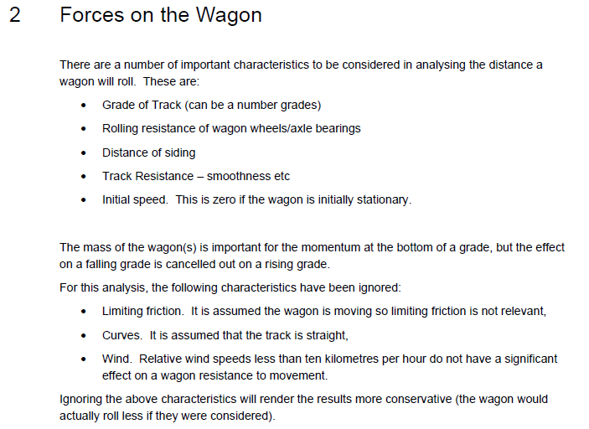
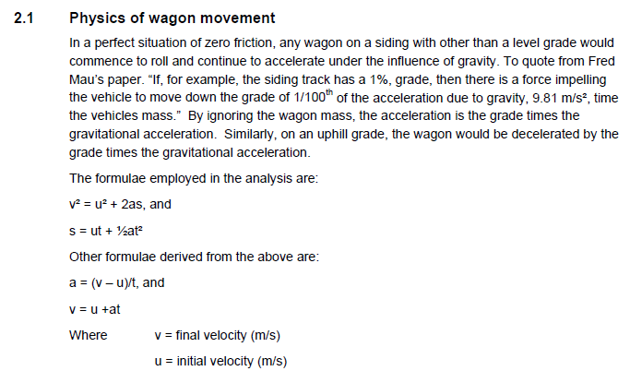
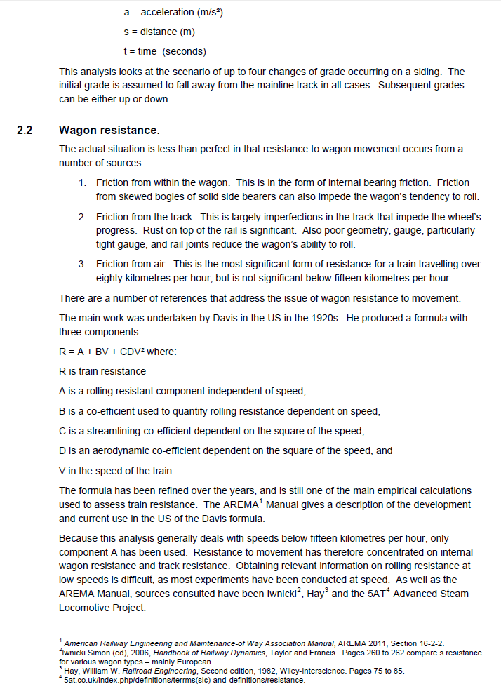
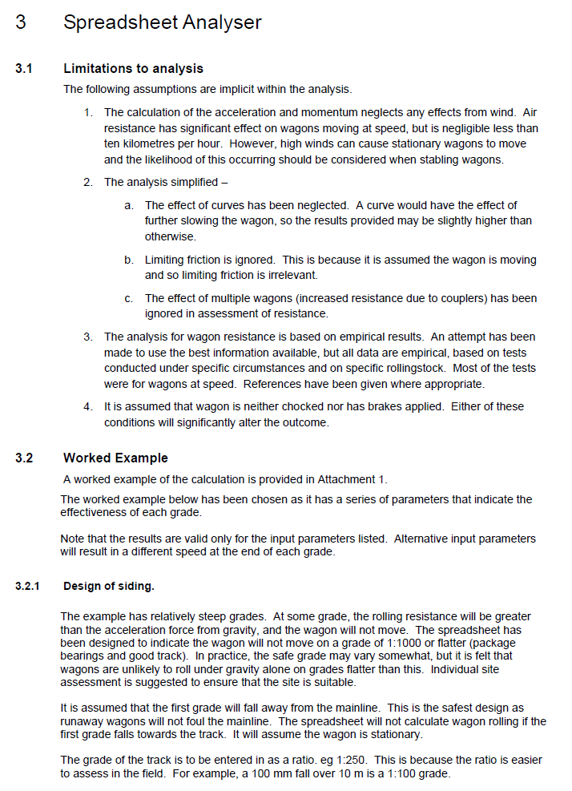
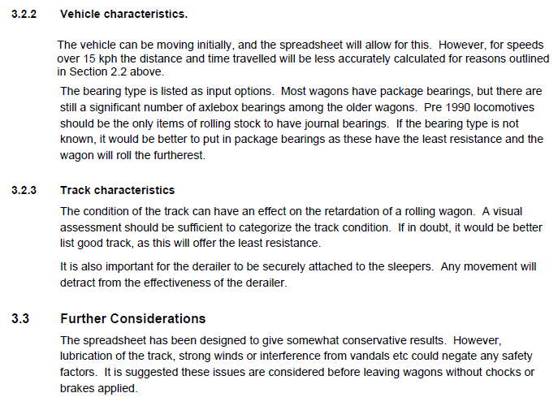
Run-a-Way Wagon Calculator Explanation

Versions
RUN-A-WAY WAGON CALCULATOR - VERSION HISTORY

Version A
Speed - time Distance and Momentum calculator
Developed by Fred Mau 4 July 2011

Version B
Initial version
M Shuard December 2011

Version C
Revision with multiple gradients
M Shuard 25 Sept 2012

Version 1.0
Formating of file and inclusion of explanation.
R Stepniewski and T Moore 21 December 2016

