D - Rolling Drag
ESI0605T-02 Rolling Drag Calculation (Ballast Drag Length) |  |  |  |  |  | Version 1.0 December 2016

 |  |  |  |  | Inputs required
 | Inputs |  |  |  | Enter data in green cells only
 | Enter entry speed (kph) |  | 15 |  | Forward Speed | Entry Speed (kph) to Ballast Drag
 | Enter axle load (t) |  | 30 |  | Axle Load | Enter axle load
 | Enter depth of ballast drag (mm) |  | 300 |  | Depth of Ballast Drag | Enter depth of ballast drag Note: ballast drags are only used in conjuction with catch points
 | Enter radius of wheel (mm) |  | 457 |  | Wheel Radius | Enter radius of wheel, else use default value
 | Enter wagon length (m) |  | 30 |  | Wagon Parameters | Enter wagon length in metres and number of wagons
 | Enter number of wagons |  | 1
 | Enter grade of runoff (%) |  | 0 |  | Ballast Drag Grade | Enter grades ratio e.g. for 1:250, enter 250 Use - for downhill grades Use + for uphill grades Use 0 for level grades

 | Results
 | Distance (m) | Number Bogies off | Decel Rate (m/s²) | V² | Speed (m/s) | Time (sec) | Number of wagons derailed

 |  |  |  |  | 4.17
 | 0 | 0 | 0.00 | 17.36 | 4.17 | 0.00 | 0
 | 10 | 0 | 0.00 | 17.36 | 4.17 | 2.40 | 0
 | 15 | 1 | 1.28 | 4.52 | 2.13 | 1.59 | 0
 | 20 | 1 | 1.28 | 0.00 | 0.00 | 1.66 | 0
 | 25 | 1 | 1.28 | 0.00 | 0.00 | 0.00 | 0
 | 30 | 2 | 2.57 | 0.00 | 0.00 | 0.00 | 1
 | 35 | 2 | 2.57 | 0.00 | 0.00 | 0.00 | 1
 | 40 | 2 | 2.57 | 0.00 | 0.00 | 0.00 | 1
 | 45 | 3 | 2.57 | 0.00 | 0.00 | 0.00 | 1
 | 50 | 3 | 2.57 | 0.00 | 0.00 | 0.00 | 1
 | Average Deceleration |  | 1.67 | Total Time |  | 5.64

© Australian Rail Track Corporation Limited 2013
Disclaimer:
This document has been prepared by ARTC for internal use and may not be relied on by any other party without ARTC’s prior written consent. Use of this document shall be subject to the terms of the relevant contract with ARTC.
ARTC and its employees shall have no liability to unauthorised users of the information for any loss, damage, cost or expense incurred or arising by reason of an unauthorised user using or relying upon the information in this document, whether caused by error, negligence, omission or misrepresentation in this document.
This document is uncontrolled when printed.

Date | Prepared by | ARTC ID No. | Email address | Organisation | Checked by: |  | Independent Review by:
2022-11-10

Explanation
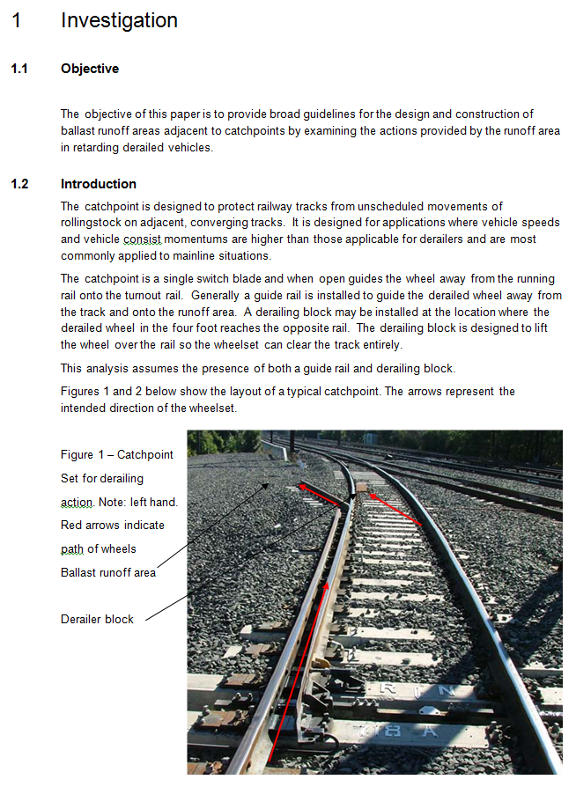
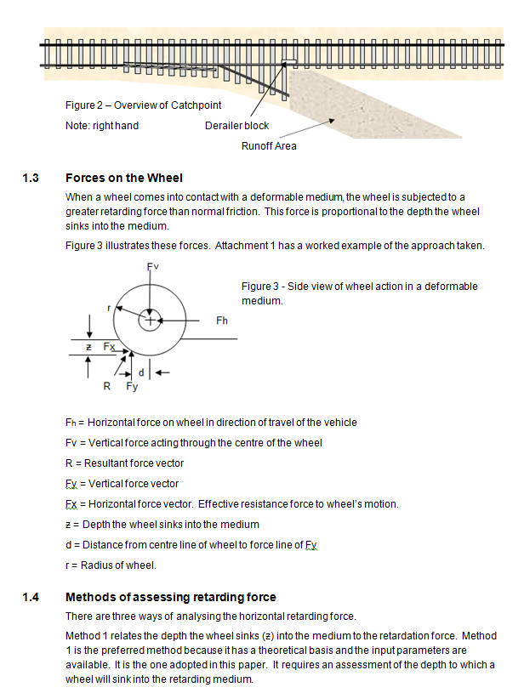
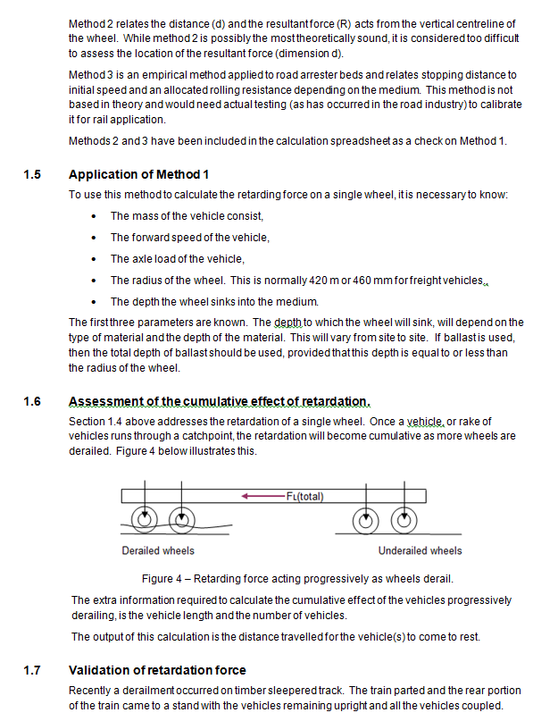
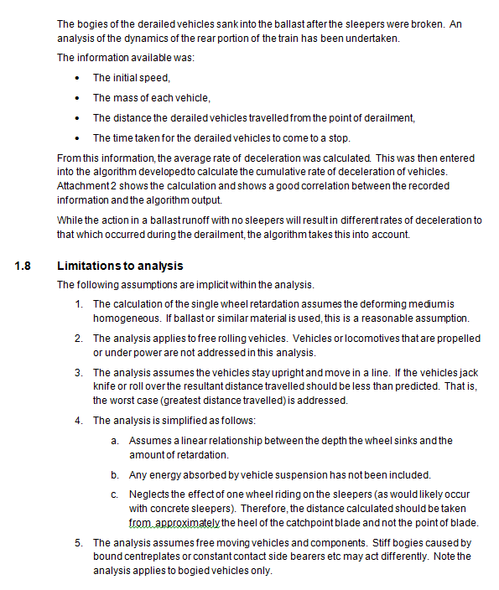
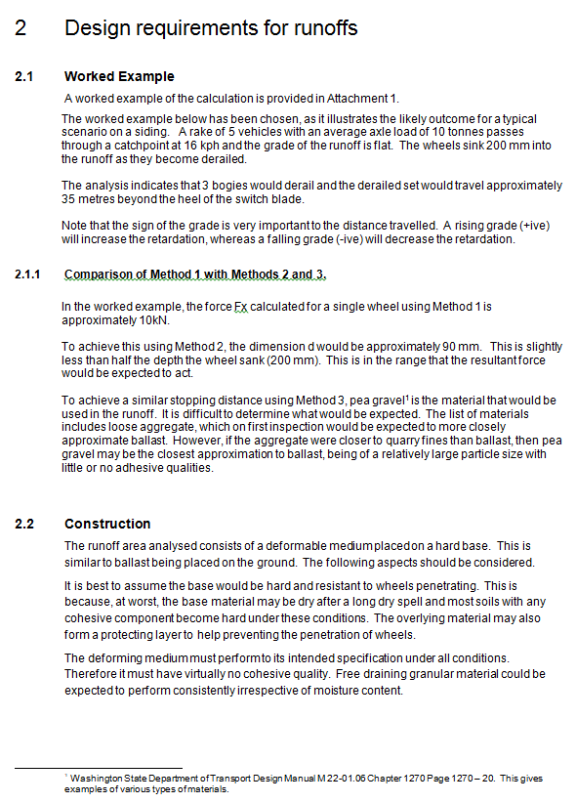
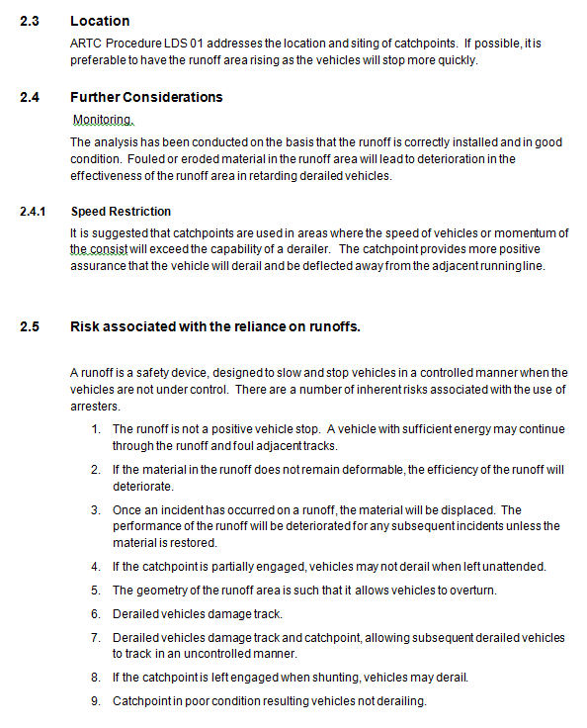
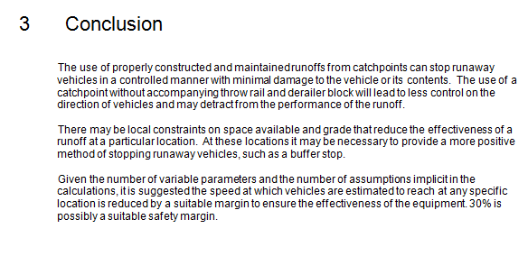
Ballast Drag Length Explanation

Versions
BALLAST DRAG LENGTH PROGRAM VERSION HISTORY
Version A
Ballast Drag Length calculator
Developed by Max Shuard 9 December2011

Version B
Formatted and Design Configuration Management table
Ian Maydew May 2015

Version 1.0
Addition of explanation and versions
Richard Stepniewski and Trevor Moore 21 December 2016

